Table 1
Product Code | Product Description | Image | Batch No | Qty | RRP | Total RRP
0602 | 100cm Round Pet Bed Light Grey |  | 25641 | 72 | £40.99 | £2,951.28
0602 | 100cm Round Pet Bed Light Grey |  | 25642 | 50 | £40.99 | £2,049.50 | `
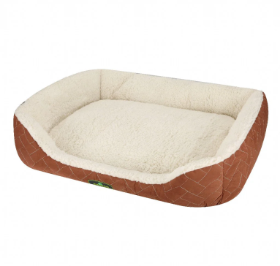
0879 | 91cm Eco Pet Bed Beige |  | 25643 | 60 | £24.99 | £1,499.40
0879 | 91cm Eco Pet Bed Beige |  | 25644 | 64 | £24.99 | £1,599.36
0879 | 91cm Eco Pet Bed Beige |  | 25645 | 64 | £24.99 | £1,599.36
0879 | 91cm Eco Pet Bed Beige |  | 25646 | 64 | £24.99 | £1,599.36
0879 | 91cm Eco Pet Bed Beige |  | 25647 | 64 | £24.99 | £1,599.36
0879 | 91cm Eco Pet Bed Beige |  | 25648 | 132 | £24.99 | £3,298.68
0541 | 80cm Sofa Pet Bed Dark Gray |  | 25649 | 56 | £14.99 | £839.44
0800 | 80cm Sofa Pet Bed Light Grey |  | 25650 | 59 | £14.99 | £884.41
0862 | 61cm Eco Pet Bed Brown | 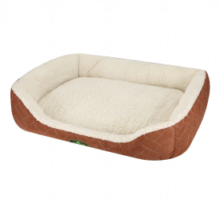 | 25651 | 15 | £17.99 | £269.85
0459 | 100cm Round Pet Bed Beige Brown | 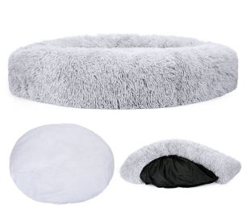 | 25652 | 47 | £40.99 | £1,926.53
0817 | 115cm Pet Bed Light Grey |  | 25653 | 108 | £40.99 | £4,426.92
0534 | 100cm Round Pet Bed Dark Grey |  | 25654 | 108 | £40.99 | £4,426.92
0534 | 100cm Round Pet Bed Dark Grey | 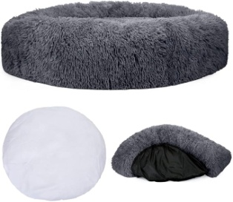 | 25655 | 18 | £40.99 | £737.82
0787 | 91cm Memory Foam Pet Bed |  | 25656 | 131 | £32.99 | £4,321.69
0527 | 80cm Round pet bed Dar Grey |  | 25657 | 124 | £30.99 | £3,842.76
0794 | 112cm Memory Foam Beige |  | 25658 | 97 | £24.99 | £2,424.03
0855 | 100cm Sofa pet bed Dark Grey |  | 25659 | 72 | £17.99 | £1,295.28
0879 | 91cm Eco Pet Bed Beige |  | 25660 | 24 | £24.99 | £599.76
0442 | 80cm Round Pet Bed Beige Brown |  | 25661 | 30 | £30.99 | £929.70
0510 | 60cm Round Pet Bed Dark Grey |  | 25662 | 110 | £22.99 | £2,528.90
0596 | 80cm Round Pet Bed Light Grey |  | 25663 | 98 | £30.99 | £3,037.02
0848 | 100cm Sofa Pet Bed Light Grey |  | 25664 | 63 | £17.99 | £1,133.37
0435 | 60cm Round Pet Bed Beige |  | 25665 | 28 | £22.99 | £643.72
0770 | 76cm Memory Foam Pet Bed |  | 25666 | 25 | £24.99 | £624.75
0558 | 115cm Sofa Pet Bed Dark Grey |  | 25667 | 71 | £20.99 | £1,490.29
0589 | 60cm Round Pet Bed Light Grey |  | 25668 | 70 | £22.99 | £1,609.30
 |  |  |  | 1,924 |  | £54,188.76

